ER
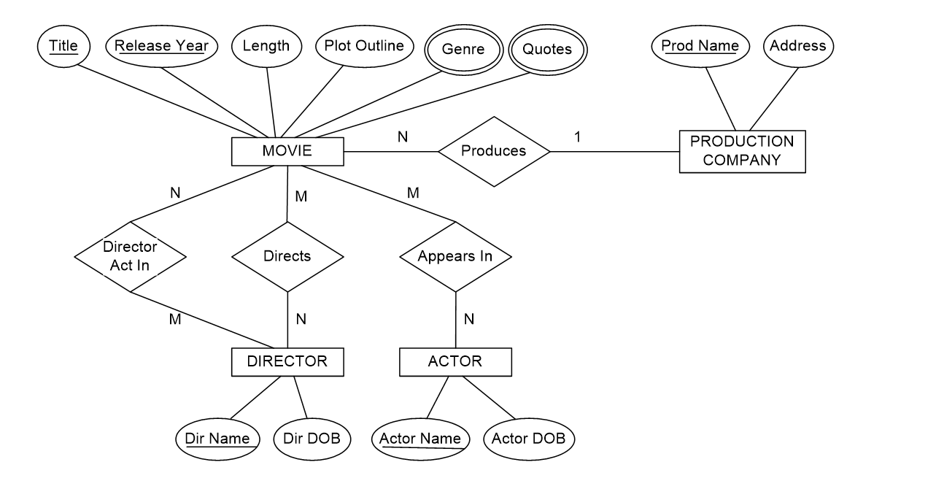
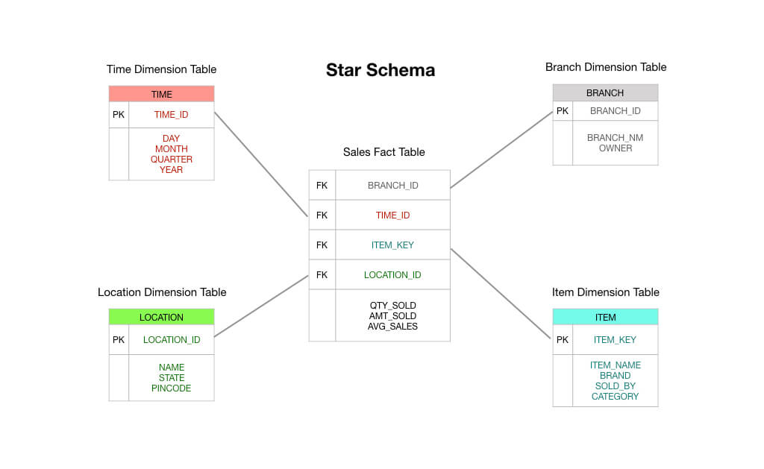
QUESTIONS | ANSWERS

What is an ER Diagram ? | An Entity-Relationship (ER) diagram is a visual representation used in database design to illustrate the logical structure of a database system. It helps to depict the relationships among different entities, the attributes associated with those entities, and how they are interconnected.
When the ER Diagram is required ? | An Entity-Relationship (ER) diagram is a visual representation that helps in designing and understanding the structure of a database. It is especially useful during the initial stages of database design and serves as a communication tool between stakeholders, designers, and developers.
What is an Entity? | An entity refers to a distinct and individual object, concept, or thing about which data is stored.
What are diffrent types of entity? | Strong entity,Week entity,Associative entity,Sub type entity,Attribute entity,Derived entity,Multivalued entity,Temporal Entity,Abstract entity.
What is diffrence between Strong and Weak Entity ? | Strong Entity: A strong entity is an entity that can exist independently and has its own attributes. It's not dependent on another entity for its existence. A weak entity: is an entity that depends on another entity for its existence. It doesn't have sufficient attributes to form a primary key on its own and requires a relationship with a strong entity.
What is an Attribute and explain types of attribute? | An attribute refers to a characteristic or property that describes an entityAn attribute refers to a characteristic or property that describes an entity Types Of Attribute: Simple Attribute: A simple attribute is indivisible and cannot be further broken down into smaller componen ,Composite Attribute: A composite attribute is composed of multiple simple attributes that are relevant to a particular entity. Derived Attribute: A derived attribute is one that can be calculated or derived from other attributes within the entity. Key Attribute: A key attribute is used to uniquely identify an instance of an entity within a database. Multi-valued Attribute: A multi-valued attribute can hold multiple values for a single entity. Null Attribute: A null attribute is one that has not been assigned a value yet. It represents missing or unknown information, Stored Attribute: A stored attribute is one that is stored in the database and takes up physical space. Single-valued Attribute: A single-valued attribute holds a single value for an entity.
Give an example of derived Attributes? | Example: "Total Salary," which can be calculated from "Basic Salary" and "Bonuses".
What are diffrent types of schema ? | Physical Schema,Logical Schema,Conceptual Schema,External Schema.
Waht is Star Schema, when you will use it? | A Star Schema is a type of database schema used in data warehousing , It is designed to optimize querying and reporting performance for analytical queries, making it easier to analyze large volumes of data.
what is Snowflake Schema when you will use it ? | The Snowflake Schema is a database design technique used in data warehousing to structure data with a higher degree of normalization. It's an extension of the more common Star Schema and useful when dealing with complex or highly normalized data.
What is sub Dimmension Table ? | Subdimension table is a type of table used to capture a subset of attributes or dimensions related to a larger, more comprehensive dimension.
What are diffrent kinds of key constrains available in RDBMS ? | Primary key,Candidate key,Unique key,Alternate key,Super key,Foreign key,Composite key.
Can we add more than one one primary key in a table ? | No,We can able to add only one primary key in a table .If we need more then one primary key column for a table we may use composite key.
Can we insert duplicate values in Primary key column ? | N0,We can't insert or add duplicate values In a primary key column.
What is a foreign Key ? | A primary key of another table that is used in the
Can we insert a value to the Foreign key column in Fact Table without adding to the Dimension table ? | If we done such thigs it can lead to data integrity issues.i.e:In a relational database, inserting a value into a foreign key column in a fact table without adding the corresponding value to the dimension table can cause issues like querying issues and complexity&confusion issues .
Given a simple Domain like Hospital,hotel,Sales.Insurance,Movies Draw the ER Diagram for it .
Identitfy the Dimension and Fact table in a ER Diagram ?
What is Stored Procedure, explain its purpose ? | A stored procedure is a precompiled collection of one or more SQL statements or code that can be executed as a single unit within a database management system (DBMS). Stored procedures are typically written in a procedural programming language and stored in the database itself
What is use of Indexing in SQL? | It acts like a roadmap that allows the database management system (DBMS) to locate specific rows efficiently, reducing the need for a full table scan and improving query response times.
How to copy data from one table to another ? | INSERT INTO NEW_Table (employee_id, first_name, last_name) SELECT employee_id, first_name, last_name FROM OLD_TABLE;
How to create one table from another table ? | CREATE TABLE NEW_TNAME(SELECT * FROM OLD_TNAME);

 | HOSPITAL HOTEL SALES INSURANCE
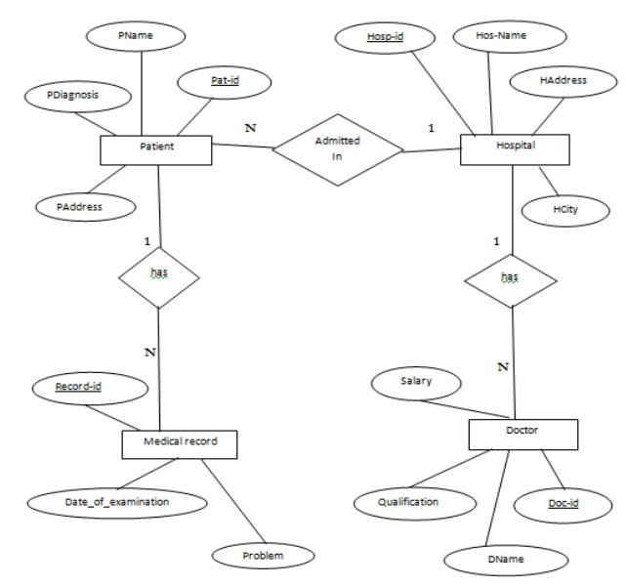
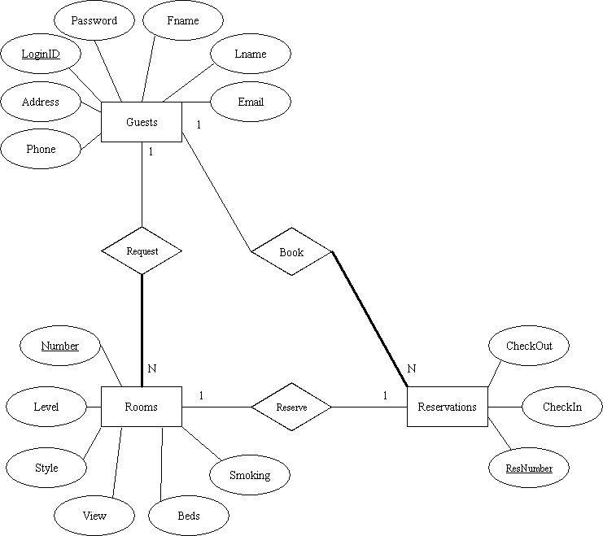
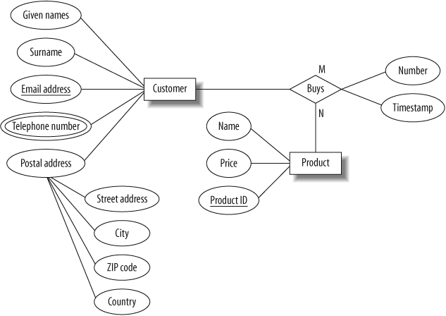
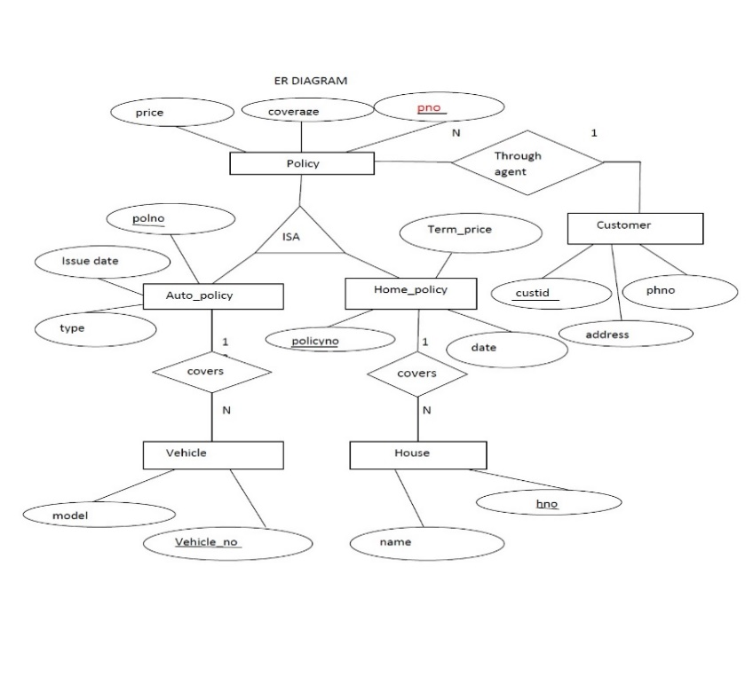

 | MOVIES FACT&DIMENSION TABLE

ETL
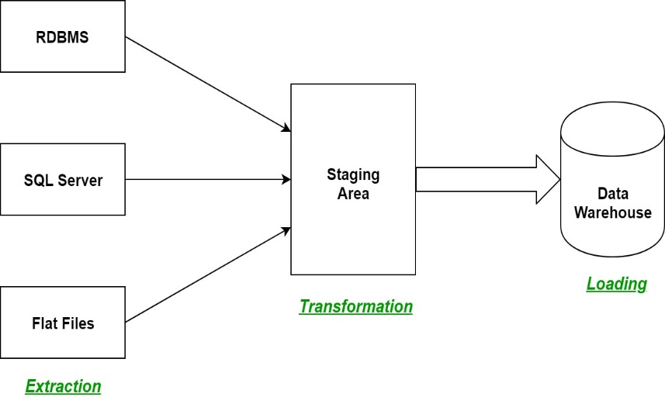
QUESTIONS | ANSWERS
What is a ETL ? | Flexible shemas,horizantal scaling,fast queries due to the data model,easy use for developers.
What is a ELT? | Apache Cassandra Query Language (CQL),MongoDB Compass,DataGrip,Neo4j Browser,ArangoDB Web Interface.
List out the various tools used in ETL | Extract, transform, and load (ETL) is the process of combining data from multiple sources into a large, central repository called a data warehouse.
Draw the mechanism of ETL
What is a datalake | “Extract, Load, Transform,” is another type of data integration process, similar to its counterpart ETL, “Extract, Transform, Load”. This process moves raw data from a source system to a destination resource, such as a data warehouse.
What is a data warehouse | Informatica PowerCente,Apache Airflow,Pentaho Data Integration,Talend Open Studio (TOS).
OLTP VS OLAP | A data lake is a centralized repository designed to store, process, and secure large amounts of structured, semistructured, and unstructured data. It can store data in its native format and process any variety of it, ignoring size limits.
What are all the various analytical tools that can be connected with Datawarehouse? | A data warehouse is a type of data management system that is designed to enable and support business intelligence (BI) activities, especially analytics.
Explain the different stages used in ETL | Online analytical processing (OLAP) and online transaction processing (OLTP) are two different data processing systems designed for different purposes. OLAP is optimized for complex data analysis and reporting, while OLTP is optimized for transactional processing and real-time updates.
Explain 10 use cases for NOSQL | Google BigQuery,Snowflake,Micro Focus Vertica,Teradata,Amazon DynamoDB,PostgreSQL.
What are all the characteristics of a nosql | The 5 stages of the ETL process are: extract, clean, transform, load, and analyze. Of the 5, extract, transform, and load are the most important process steps. Clean: Cleans data extracted from an unstructured data pool, ensuring the quality of the data prior to transformation.
What are all the tools used to analyse nosql | Big Data and Analytics,Content Management Systems (CMS),User Profiles and Personalization,Internet of Things (IoT) Data,Time-Series Data.

 | Diagramatic Mechanism of ETL

